Test Plan
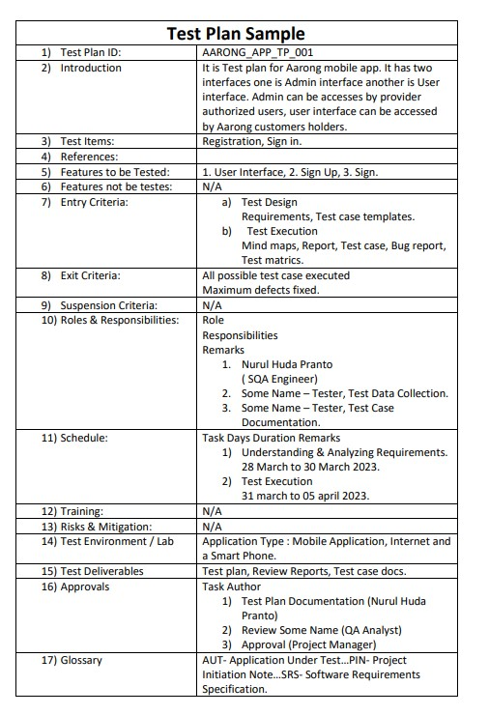

Mind Maps
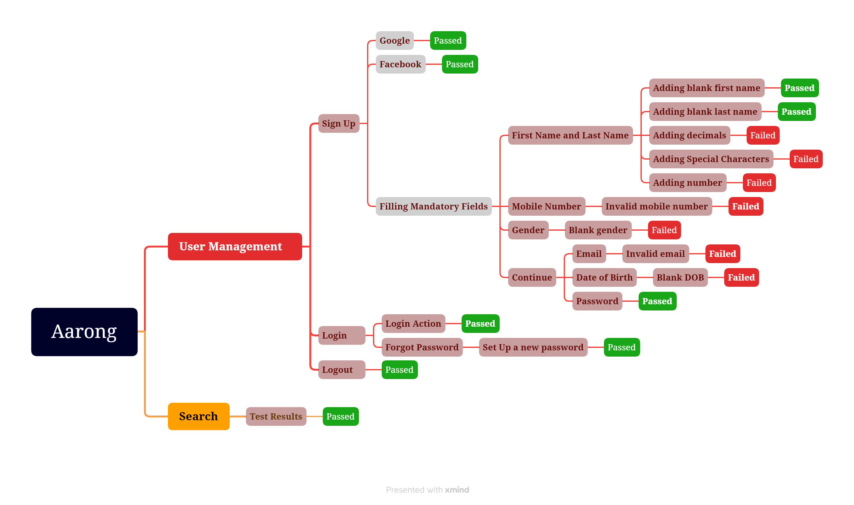
Mind Maps for Aarong Mobile Application

